Instructions
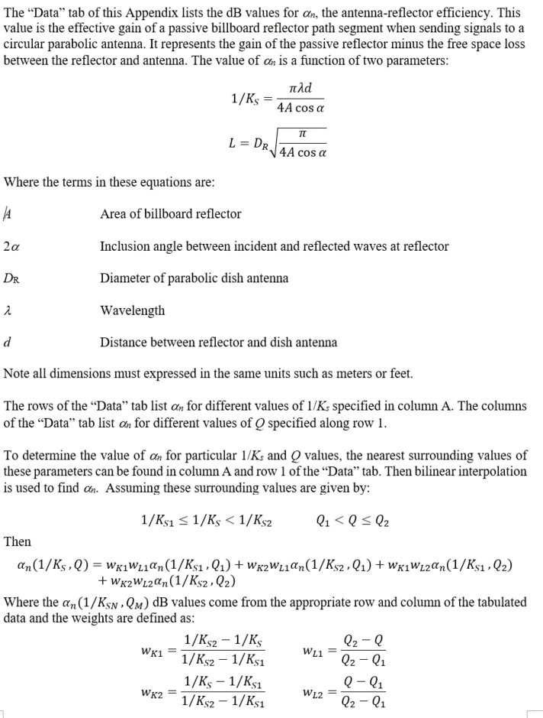

Chart
 | Q=0.0 | Q=0.002 | Q=0.02 | Q=0.05 | Q=0.1 | Q=0.2 | Q=0.3 | Q=0.4 | Q=0.5 | Q=0.6 | Q=0.7 | Q=0.8
0.075000 | 4.77 | 4.77 | 4.69 | 4.29 | 3.04 | 0.72 | 0.00 | -0.55 | -0.06 | 0.35 | 0.53 | 0.33
0.079444 | 5.79 | 5.79 | 5.72 | 5.36 | 4.14 | 0.94 | -0.36 | -0.49 | -0.05 | 0.46 | 0.52 | 0.36
0.084151 | 6.01 | 6.01 | 5.95 | 5.62 | 4.51 | 1.11 | -0.74 | -0.44 | 0.03 | 0.52 | 0.55 | 0.37
0.089138 | 5.61 | 5.60 | 5.55 | 5.26 | 4.26 | 1.08 | -0.98 | -0.47 | 0.18 | 0.54 | 0.61 | 0.35
0.094419 | 4.62 | 4.62 | 4.57 | 4.31 | 3.43 | 0.71 | -1.03 | -0.52 | 0.33 | 0.58 | 0.64 | 0.34
0.100014 | 3.01 | 3.00 | 2.96 | 2.73 | 1.98 | -0.07 | -0.98 | -0.47 | 0.43 | 0.68 | 0.63 | 0.37
0.105940 | 0.60 | 0.60 | 0.56 | 0.36 | -0.26 | -1.30 | -0.95 | -0.29 | 0.47 | 0.79 | 0.64 | 0.38
0.112218 | -3.09 | -3.09 | -3.13 | -3.29 | -3.68 | -2.96 | -1.00 | -0.02 | 0.53 | 0.86 | 0.68 | 0.36
0.118867 | -9.82 | -9.82 | -9.85 | -9.94 | -9.47 | -4.79 | -1.13 | 0.26 | 0.65 | 0.88 | 0.74 | 0.33
0.120276 | -12.18 | -12.18 | -12.20 | -12.24 | -11.17 | -5.10 | -1.16 | 0.31 | 0.69 | 0.88 | 0.75 | 0.33
0.121684 | -15.34 | -15.34 | -15.36 | -15.27 | -13.04 | -5.37 | -1.18 | 0.36 | 0.72 | 0.88 | 0.76 | 0.33
0.123093 | -20.24 | -20.24 | -20.25 | -19.68 | -14.88 | -5.58 | -1.20 | 0.41 | 0.76 | 0.88 | 0.77 | 0.34
0.124502 | -31.99 | -31.99 | -31.73 | -26.50 | -16.12 | -5.72 | -1.22 | 0.45 | 0.80 | 0.88 | 0.77 | 0.34
0.125910 | -26.85 | -26.86 | -26.80 | -24.48 | -16.02 | -5.78 | -1.24 | 0.48 | 0.84 | 0.89 | 0.78 | 0.35
0.127402 | -18.53 | -18.53 | -18.55 | -18.23 | -14.61 | -5.76 | -1.25 | 0.52 | 0.88 | 0.89 | 0.78 | 0.35
0.128895 | -14.44 | -14.45 | -14.47 | -14.43 | -12.78 | -5.65 | -1.25 | 0.55 | 0.92 | 0.90 | 0.78 | 0.36
0.130387 | -11.74 | -11.74 | -11.76 | -11.81 | -11.03 | -5.47 | -1.24 | 0.58 | 0.96 | 0.91 | 0.78 | 0.37
0.131879 | -9.73 | -9.73 | -9.75 | -9.83 | -9.49 | -5.23 | -1.22 | 0.61 | 1.00 | 0.92 | 0.77 | 0.37
0.133371 | -8.14 | -8.14 | -8.16 | -8.26 | -8.16 | -4.93 | -1.20 | 0.63 | 1.04 | 0.93 | 0.77 | 0.38
0.141274 | -3.00 | -3.00 | -3.02 | -3.13 | -3.40 | -2.99 | -0.90 | 0.73 | 1.21 | 1.02 | 0.74 | 0.39
0.149645 | -0.09 | -0.09 | -0.11 | -0.21 | -0.53 | -1.03 | -0.34 | 0.82 | 1.32 | 1.14 | 0.74 | 0.36
0.158512 | 1.82 | 1.82 | 1.80 | 1.71 | 1.41 | 0.60 | 0.40 | 0.96 | 1.39 | 1.25 | 0.77 | 0.31
0.167904 | 3.16 | 3.16 | 3.14 | 3.06 | 2.78 | 1.89 | 1.19 | 1.18 | 1.42 | 1.31 | 0.84 | 0.28
0.177853 | 4.12 | 4.12 | 4.11 | 4.04 | 3.78 | 2.91 | 1.95 | 1.48 | 1.45 | 1.34 | 0.90 | 0.29
0.188391 | 4.82 | 4.82 | 4.81 | 4.74 | 4.51 | 3.69 | 2.64 | 1.85 | 1.51 | 1.33 | 0.94 | 0.32
0.199554 | 5.32 | 5.32 | 5.31 | 5.25 | 5.04 | 4.28 | 3.22 | 2.23 | 1.63 | 1.30 | 0.93 | 0.35
0.211379 | 5.66 | 5.66 | 5.65 | 5.60 | 5.41 | 4.71 | 3.69 | 2.62 | 1.79 | 1.29 | 0.89 | 0.36
0.223904 | 5.87 | 5.87 | 5.87 | 5.82 | 5.65 | 5.02 | 4.06 | 2.96 | 1.99 | 1.31 | 0.84 | 0.34
0.237171 | 5.99 | 5.99 | 5.98 | 5.94 | 5.79 | 5.22 | 4.33 | 3.26 | 2.20 | 1.37 | 0.79 | 0.28
0.251224 | 6.02 | 6.02 | 6.01 | 5.98 | 5.84 | 5.33 | 4.52 | 3.49 | 2.41 | 1.47 | 0.76 | 0.21
0.266110 | 5.98 | 5.98 | 5.97 | 5.94 | 5.82 | 5.36 | 4.62 | 3.67 | 2.60 | 1.58 | 0.76 | 0.14
0.281878 | 5.88 | 5.88 | 5.88 | 5.85 | 5.74 | 5.33 | 4.66 | 3.77 | 2.75 | 1.71 | 0.80 | 0.08
0.298580 | 5.73 | 5.73 | 5.73 | 5.70 | 5.61 | 5.24 | 4.64 | 3.82 | 2.86 | 1.83 | 0.86 | 0.05
0.316272 | 5.54 | 5.54 | 5.54 | 5.51 | 5.43 | 5.10 | 4.56 | 3.82 | 2.92 | 1.93 | 0.94 | 0.06
0.335013 | 5.31 | 5.31 | 5.31 | 5.29 | 5.21 | 4.92 | 4.43 | 3.76 | 2.93 | 1.99 | 1.01 | 0.09
0.354863 | 5.05 | 5.05 | 5.05 | 5.03 | 4.96 | 4.70 | 4.26 | 3.66 | 2.90 | 2.02 | 1.07 | 0.13
0.375890 | 4.76 | 4.76 | 4.76 | 4.74 | 4.68 | 4.44 | 4.05 | 3.51 | 2.82 | 2.01 | 1.11 | 0.18
0.398163 | 4.44 | 4.44 | 4.44 | 4.43 | 4.37 | 4.16 | 3.81 | 3.32 | 2.70 | 1.95 | 1.11 | 0.21
0.421756 | 4.11 | 4.11 | 4.10 | 4.09 | 4.04 | 3.86 | 3.54 | 3.11 | 2.54 | 1.86 | 1.08 | 0.23
0.446747 | 3.75 | 3.75 | 3.75 | 3.74 | 3.69 | 3.53 | 3.25 | 2.86 | 2.35 | 1.73 | 1.01 | 0.21
0.473218 | 3.38 | 3.38 | 3.38 | 3.37 | 3.33 | 3.18 | 2.93 | 2.58 | 2.12 | 1.56 | 0.91 | 0.16
0.501258 | 2.99 | 2.99 | 2.99 | 2.98 | 2.95 | 2.82 | 2.59 | 2.28 | 1.87 | 1.36 | 0.77 | 0.08
0.530959 | 2.59 | 2.59 | 2.59 | 2.58 | 2.55 | 2.44 | 2.24 | 1.95 | 1.59 | 1.13 | 0.59 | -0.03
0.562421 | 2.18 | 2.18 | 2.18 | 2.17 | 2.15 | 2.04 | 1.86 | 1.61 | 1.28 | 0.88 | 0.39 | -0.18
0.595746 | 1.76 | 1.76 | 1.76 | 1.75 | 1.73 | 1.64 | 1.48 | 1.25 | 0.96 | 0.59 | 0.15 | -0.36
0.631046 | 1.33 | 1.33 | 1.33 | 1.33 | 1.30 | 1.22 | 1.08 | 0.88 | 0.62 | 0.29 | -0.11 | -0.58
0.668438 | 0.90 | 0.89 | 0.89 | 0.89 | 0.87 | 0.79 | 0.67 | 0.49 | 0.25 | -0.04 | -0.40 | -0.82
0.708046 | 0.45 | 0.45 | 0.45 | 0.44 | 0.43 | 0.36 | 0.25 | 0.09 | -0.12 | -0.38 | -0.70 | -1.08
0.750000 | 0.00 | 0.00 | 0.00 | -0.01 | -0.02 | -0.08 | -0.18 | -0.32 | -0.51 | -0.75 | -1.03 | -1.37
0.794440 | -0.46 | -0.46 | -0.46 | -0.46 | -0.48 | -0.53 | -0.62 | -0.74 | -0.91 | -1.12 | -1.38 | -1.68
...

